Sheet1
Project preparation and Estimation for the Project
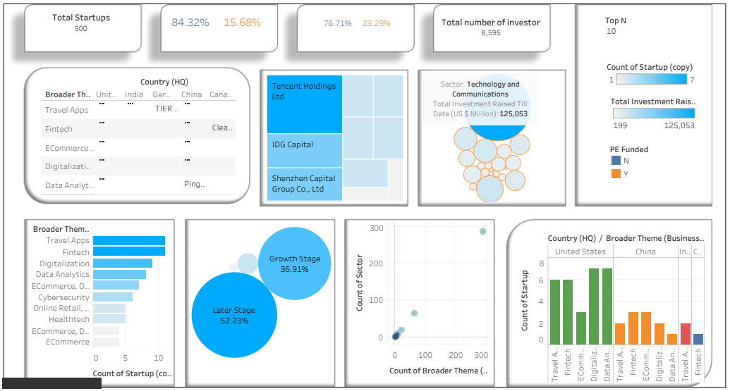
 | Points need to work on | Estimation cost for the project
 | 1. Total investment- 11,422 | Work breakdown | Cost per hour | Time spent on the Project | Total Cost
 | 2. Total investors- 312 | Data collection | 1500 | 1 hours | 1500*1= 1500/-
 | 3. Total Tier-1 Investors- 87 | Exploring and Cleaning Data | 1000 | 3 hours | 1000*3= 3000/-
 | 4. Total start-ups- 19 | Analysing Data | 1500 | 2 hours | 1500*2= 3000/-
 | 5. List out the Sector wise start-up's | Creating key points ( KPI )
 | 6. Tier-1 investors based on stagr of funding. | Demo Project | 1400 | 3 hours | 1400*3= 5200/-
 | 7. Average fund raised on Startup stages. | Dashboard Visualization | 1000 | 5 hours | 1000*5= 5000/-
 | 8. Country wise investors and series of funding. | Predicting Future Trends | 1200 | 2 hours | 1200*2= 2400/-
 | 9. Top countries with Resprctive sectors (%). | Final project Cost |  | 16 hours | 21,100/-
 | 10. Country wise start-ups and series of funding.

